BT1
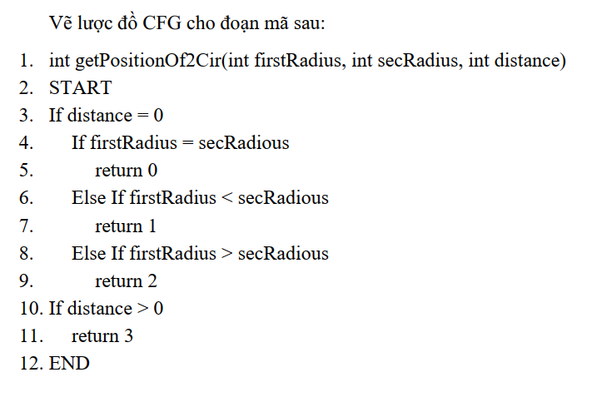
mẫu test case
1

2

Num | Condtion | Input | Line number excuted | Expected result
1 | distance=0(T) | 5,5,0 | 3,4,5
 | firstRadius=secRadius(T)
2 | distance=0(F) | 5.5.3 | 3,10,11
 | distance>0(T)
3 | distance=0(F) | 5,5,-2 | 3,10
 | distance>0(F)
4 | distance=0(T) | 4,6,0 | 3,4,6,7
 | firstRadius=secRadius(F)
 | firstRadius<secRadius(T)
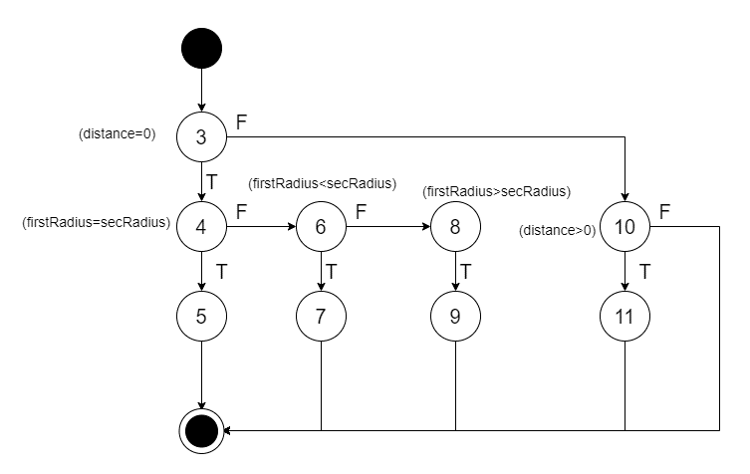
5 | distance=0(T) | 8,4,0 | 3,4,6,8,9
 | firstRadius=secRadius(F)
 | firstRadius<secRadius(F)
 | firstRadius>secRadius(T)

BT2
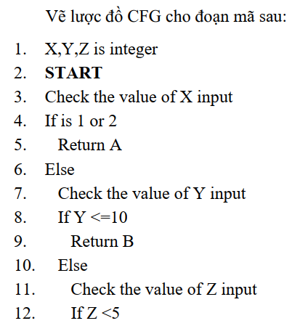

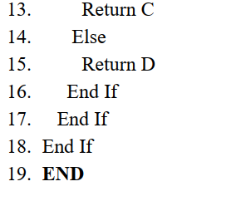

BT3
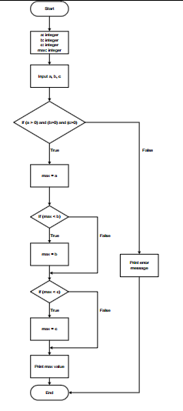
Tự đánh node, tách node

BT4
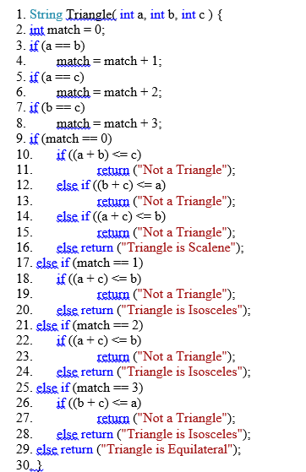
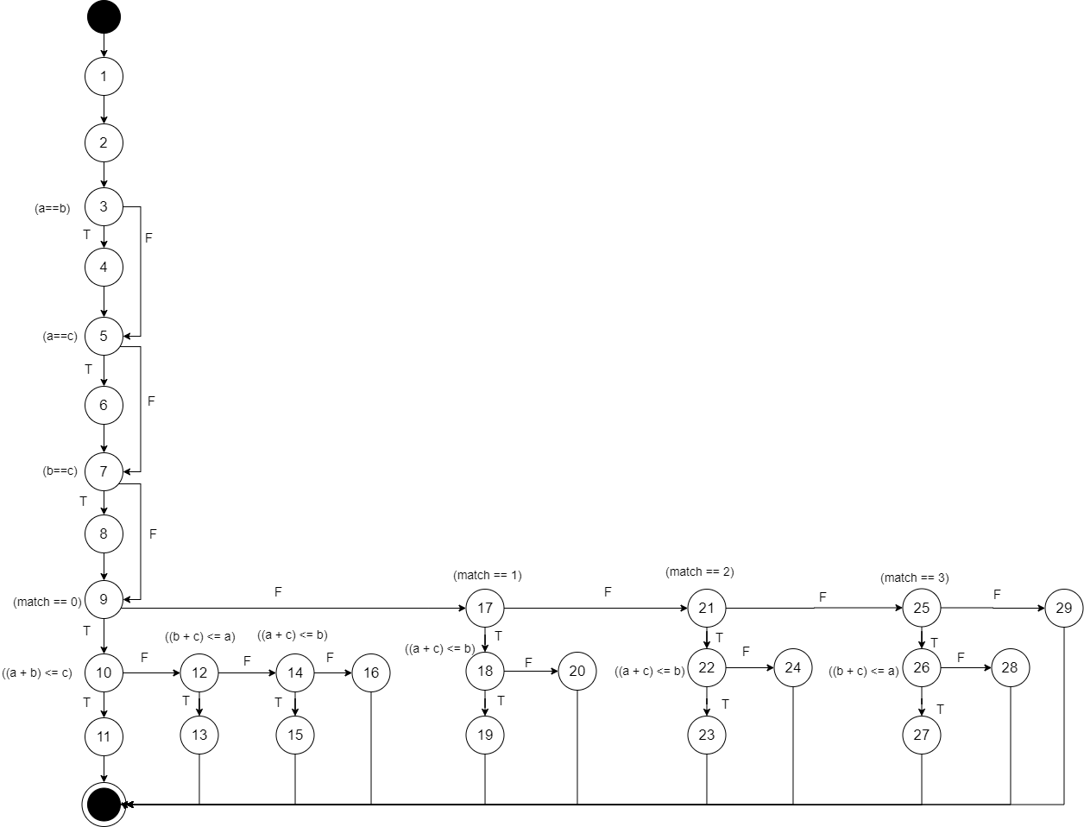
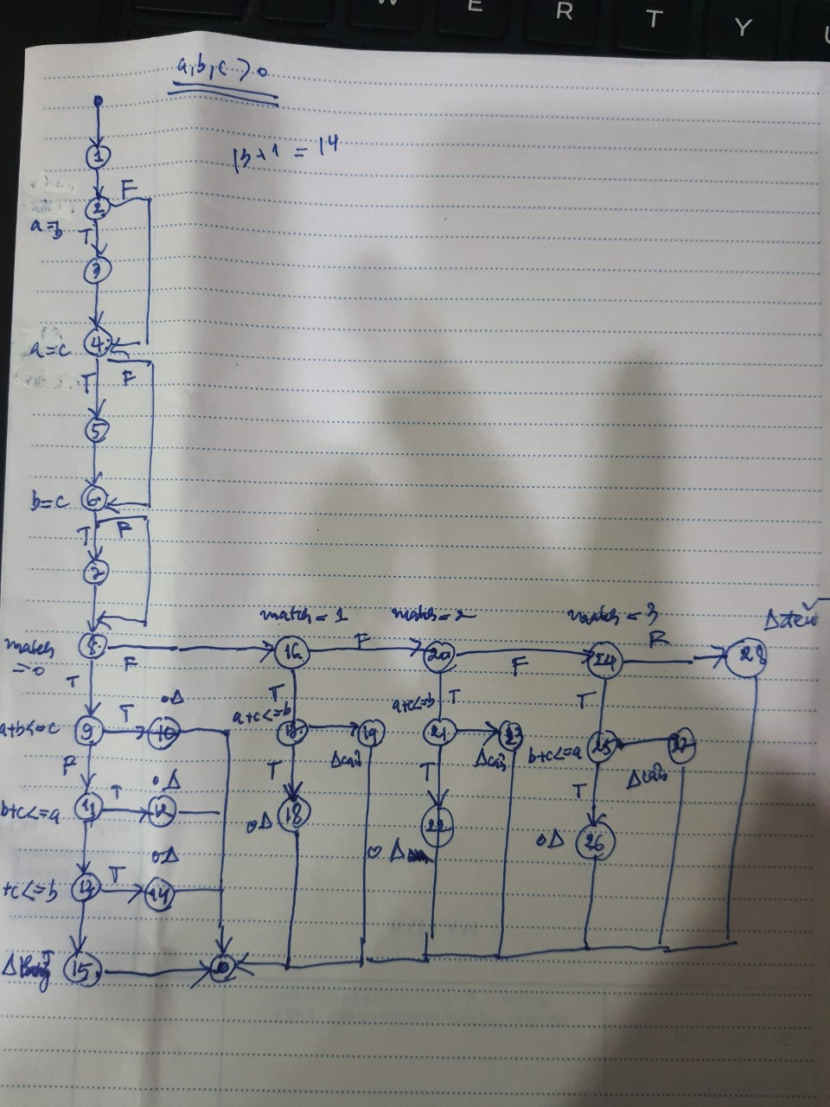
sắp mã có thứ tự trên word rồi cắt vào sheet, vẽ biểu đồ node (hình gợi ý, cần bao nhiêu đường để phủ nhánh)
1. String Triangle( int a, int b, int c ) {
2. int match = 0;
3. if (a == b)
4. match = match + 1;
5. if (a == c)
6. match = match + 2;
7. if (b == c)
8. match = match + 3;
9. if (match == 0)
10. if ((a + b) <= c)
11. return ("Not a Triangle");
12. else if ((b + c) <= a)
13. return ("Not a Triangle");
14. else if ((a + c) <= b)
15. return ("Not a Triangle");
16. else return ("Triangle is Scalene");
17. else if (match == 1)
18. if ((a + c) <= b)
19. return ("Not a Triangle");
20. else return ("Triangle is Isosceles");
21. else if (match == 2)
22. if ((a + c) <= b)
23. return ("Not a Triangle");
24. else return ("Triangle is Isosceles");
25. else if (match == 3)
26. if ((b + c) <= a)
27. return ("Not a Triangle");
28. else return ("Triangle is Isosceles");
29. else return ("Triangle is Equilateral");
30. }

 | Num | Condtion | Input | Line number excuted | Expected result
 | 1 | (a==b)F | 2,3,5 | 1,2,3,5,7,9,10,11 | "Not a Triangle"
 |  | (a==c)F
 |  | (b==c)F
 |  | (match == 0)T
 |  | ((a + b) <= c)T
 | 2 | (a==b)F | 5,2,3 | 1,2,3,5,7,9,10,12,13 | "Not a Triangle"
 |  | (a==c)F
 |  | (b==c)F
 |  | (match == 0)T
 |  | ((a + b) <= c)F
 |  | ((b + c) <= a)T
 | 3 | (a==b)F | 2,5,3 | 1,2,3,5,7,9,10,12,14,15 | "Not a Triangle"
 |  | (a==c)F
 |  | (b==c)F
 |  | (match == 0)T
 |  | ((a + b) <= c)F
 |  | ((b + c) <= a)F
 |  | ((a + c) <= b)T
 | 4 | (a==b)F | 3,4,5 | 1,2,3,5,7,9,10,12,14,16 | "Triangle is Scalene"
 |  | (a==c)F
 |  | (b==c)F
 |  | (match == 0)T
 |  | ((a + b) <= c)F
 |  | ((b + c) <= a)F
 |  | ((a + c) <= b)F
 | 5 | (a==b)T | 4,4,0 | 1,2,3,4,5,7,9,17,18,19 | "Not a Triangle"
 |  | (a==c)F
 |  | (b==c)F
 |  | (match == 0)F
 |  | (match == 1)T
 |  | ((a + c) <= b)T
 | 6 | (a==b)T | 4,4,7 | 1,2,3,4,5,7,9,17,18,20 | "Triangle is Isosceles"
 |  | (a==c)F
 |  | (b==c)F
 |  | (match == 0)F
 |  | (match == 1)T
 |  | ((a + c) <= b)F
 | 7 | (a==b)F | 4,9,4 | 1,2,3,5,6,7,9,17,18,19 | "Not a Triangle"
 |  | (a==c)T
 |  | (b==c)F
 |  | (match == 0)F
 |  | (match == 1)F
 |  | (match == 2)T
 |  | ((a + c) <= b)T
 | 8 | (a==b)F | 4,7,4 | 1,2,3,5,6,7,9,17,18,20 | "Triangle is Isosceles"
 |  | (a==c)T
 |  | (b==c)F
 |  | (match == 0)F
 |  | (match == 1)F
 |  | (match == 2)T
 |  | ((a + c) <= b)F
 | 9 | (a==b)F | 9,4,4 | 1,2,3,5,7,8,9,17,21,25,26,27 | "Not a Triangle"
 |  | (a==c)F
 |  | (b==c)T
 |  | (match == 0)F
 |  | (match == 1)F
 |  | (match == 2)F
 |  | (match == 3)T
 |  | ((b + c) <= a)T
 | 10 | (a==b)F | 7,4,4 | 1,2,3,5,7,8,9,17,21,25,26,28 | "Triangle is Isosceles"
 |  | (a==c)F
 |  | (b==c)T
 |  | (match == 0)F
 |  | (match == 1)F
 |  | (match == 2)F
 |  | (match == 3)T
 |  | ((b + c) <= a)F
 | 11 | (a==b)T | 4,4,4 | 1,2,3,4,5,6,7,8,9,17,21,25,29 | "Triangle is Equilateral"
 |  | (a==c)T
 |  | (b==c)T
 |  | (match == 0)F
 |  | (match == 1)F
 |  | (match == 2)F
 |  | (match == 3)F

BT5
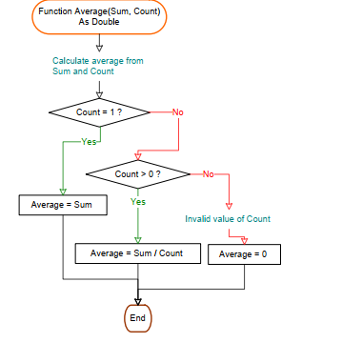

BT6
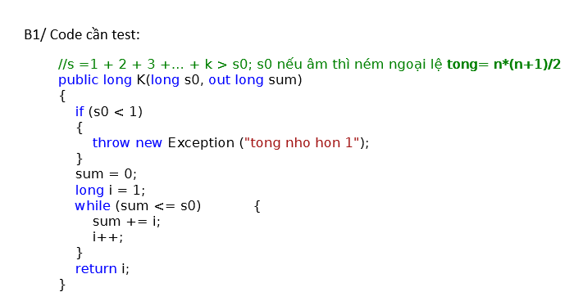
 |  |  |  |  | kiểm hộp đen

 |  |  |  |  | # | Test case name | Input (1 bien) | Expected Results(k) | Actual Results(k) | Expected Results(sum) | Actual Results(sum) | Status
 |  |  |  |  |  |  | s0
 |  |  |  |  | 1 | VP | 5 | 4 |  | 6
 |  |  |  |  | 2 | VB | 1 | 3 |  | 3
 |  |  |  |  | 3 | IVP | -5 | exception |  | exception
 |  |  |  |  | 4 | IVB | 0 | exception |  | exception

Num | Condtion | Input | Line number excuted | Expected result
1 | (s0 < 1)T | -4,2 | 1 | exception
2 | (s0 < 1)F | 1,2 | 1,3,4,5,6,7,5,8 | 3
 | (sum <= s0)T
 | (sum <= s0)F

BT7
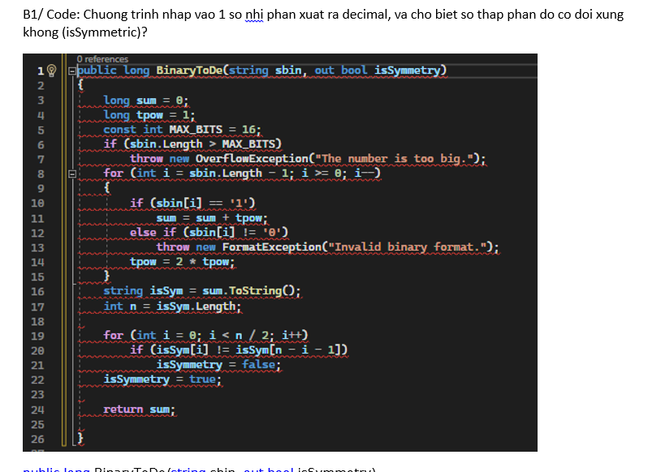

Num | Condtion | Input | Line number excuted | Expected result(exception) | Expected result(isSymmotry) | Expected result(sum) | PASS/FAIL
1 | (sbin.Length > MAX_BITS)T | 11011101110111011101 | 3,4,5,6,7 | exception |  |  | P
2 | (sbin.Length > MAX_BITS)F | 13 | 3,4,5,6,8,10,11,8,10,12,13 | exception |  |  | P
 | (i>=0)T
 | (sbin[i] == '1')T
 | ……
 | (sbin[i] == '1')F
 | (sbin[i] != '0')T
3 | (sbin.Length > MAX_BITS)F | 1011 | 3,4,5,6,8,10,11,14,….10,12,14,8,16,17,19,20,22,24 |  | TRUE | 11 | P
 | (i>=0)T
 | (sbin[i] == '1')T
 | ……..
 | (i>=0)T
 | (sbin[i] == '1')F
 | (sbin[i] != '0')F
 | (i>=0)T
 | (sbin[i] == '1')T
 | (i>=0)F
 | (i<n/2)T
 | (isSym[i] != isSym[n-i-1])F
 | (i<n/2)F
4 | (sbin.Length > MAX_BITS)F | 1100 | 3,4,5,6,8,10,12,14…..,10,11,14,……,8,16,17,19,20,21,22,24 |  | FALSE | 12 | F
 | (i>=0)T
 | (sbin[i] == '1')F
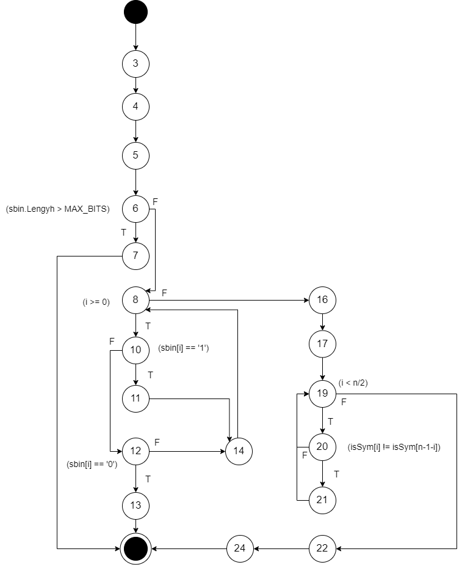
 | (sbin[i] != '0')F
 | ………
 | (sbin[i] == '1')T
 | ………
 | (i>=0)F
 | (i<n/2)T
 | (isSym[i] != isSym[n-i-1])T

